FFR
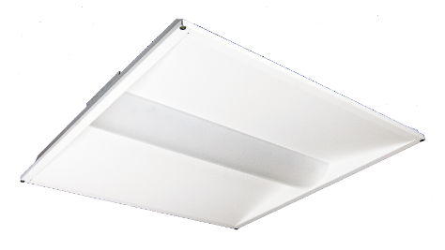
 |  |  |  | Project Name:
Room Estimator |  |  |  | Project Location:
FFR Form Focus Lay-In Retrofit Kit |  |  |  | Project #:

Area: | Room Length (x) |  | ft
 | Room Width (y) |  | ft
 | Room Area | 0 | ft2
 | Luminaire Height |  | ft
 | Work Plane | 2.5 | ft
 | Room Cavity Ratio (RCR) | #DIV/0!
 | ceiling reflectance (rc) | 80
 | wall reflectance (rw) | 50
 | floor reflectance (rf) | 20

Luminaire: | Model
 | Lumens | #N/A | lm
 | Watts | #N/A | W
 | Coefficient of Utilization | #DIV/0!
 | Spacing Criteria (0-180°) | 1.26
 | Spacing Criteria (90-270°) | 1.30
 | Light Loss Factor (LLF) | 0.9

Estimated Light Levels Based on Known Quantity
 | # luminaires
 | Estimated Light Level | #N/A | fc
 | Total Watts | #N/A | W
 | LPD | #N/A | W/ft2

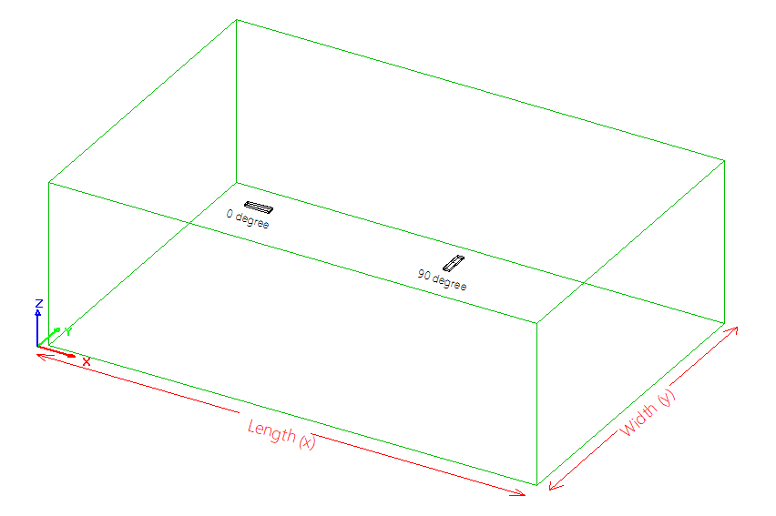
Estimated Luminaire Layout Based on Target Light Levels:
 | Desired Light Level |  | fc
 | # Fixtures (x) | #N/A
 | # Fixtures (y) | #N/A
 | Total # of Luminaires | #N/A
 | Estimated Light Level | #N/A | fc
 | Fixture Orientation | 0 | deg
 | Fixture Spacing (x) | #N/A | ft
 | Fixture Spacing (y) | #N/A | ft
 | Wall Spacing (x) | #N/A | ft
 | Wall Spacing (y) | #N/A | ft
 | Total Watts | #N/A | W
 | LPD | #N/A | W/ft2

* The above calculations are a rough estimate only. Actual results may vary depending on field conditions. LumenFocus makes no warranties as to the performance predicted by the above calculations. Please contact your LumenFocus representative for a more detailed photometric analysis.

